bio-fencing
 |  | HEDGE/BIO FENCING

Bio-Fencing is a key tool in rendering security on a far smaller scale.
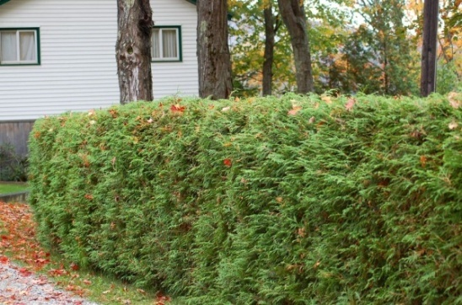
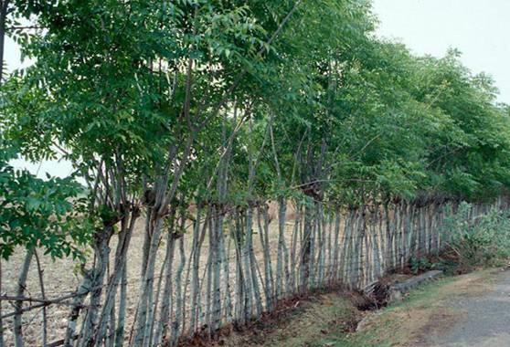

 |  | PASTE SKETCH HERE

 |  | SKETCHMATIC DIAGRAM OF BIO-FENCING

 | Hedge fencing |  | Bio-fencing can create green live walls.

 | Bio -fencing is applicable to fence Educational Institutions, Anganwadi Centers, Rural health centres and even every house hold.
 | It is economical, eco-balancing, and beautiful because of its natural greenery. And may endorse supplementary income.
 |  | TYPICAL ESTIMATE OF HEDGE/BIO FENCING

 | Considering Length of fencing in Metre |  | 100
 | Part A | Wage Component | SK | SSK | USK | Rate |  | Amount
 | Sl. No. | Description of item
 |  |  |  |  |  | SSK | USK

 | 1 | Fencing work with Bamboo Pole (2m height with 2m spacing) & Split bamboos (in both sides with spacing of 1m) including digging hole, fixing of bamboo pole, spilting the bamboo and fixing with nail to the pole etc. (100 m x 2) + (2 m x 51) = 302 m. Works @ 100 m of bamboo per group SSK 1 No. & USK 2 Nos. |  | 3 | 6 | 264 | 180 | 1872
 | 2 | Preparation of bed for Hedge fencing and necessary treatment for the purpose @ 2 USK / 50 m |  |  | 4 |  | 180 | 720
 | 3 | Plantation of seedlings for hedge fencing works @ 2 USK / 50 m |  |  | 4 |  | 180 | 720
 | 4 | Weeding and mulching (twice)with application of fertilizer @ 2 USK / 100 m |  |  | 4 |  | 180 | 720
 | 5 | Watering and necessary tending of plants (1 manday per week for 6 months) |  |  | 24 |  | 180 | 4320
 |  |  | TOTAL WAGE COST |  |  |  |  | 8352
 | Part B | Non Wage Component
 | Sl. No | Description of items | Quantity | Unit | Rate | Amount
 | 1 | Consumption of bamboos for both sides : (a) For Post 1.5m x 51 Nos. = 76.5 m (b) For Runner {4 x (0.25 x 100)} = 100 m Total = (76.5m + 100 m) = 176.50 m Considering length of bamboo = 8 m each No. of bamboo required = 176.50/8 = 22.06 Say 22 Nos. | 22 | No | 175 | 3850
 | 2 | Supply of Iron Nails (4" long) | 5 | Kg | 50 | 250
 | 3 | Supply of Nylon thread for binding hedges with split bamboos | 3 | Kg | 120 | 360
 | 4 | Cost of Ipomoea/hedge seed/saplings, fertilizer/vermi-compost etc. | L.S |  |  | 500
 | 5 | Provision for Supervisor (1:25), 36/25 = 1.44= 1 No. | 1 | No | 264 | 264
 | 6 | Provision for Display Board / Wall writing & First Aid Box | 1 | 1 | 200 | 200
 |  |  | TOTAL NON-WAGE COST |  |  | 5424
 |  | ABSTRACT
 |  | WAGE COST |  | 8352 | WAGE COST : NON WAGE COST= 60.60 : 39.40
 |  | NON-WAGE COST |  | 5424
 |  | GRAND TOTAL |  | 13776 | (Rupees Thirteen thousand Seven hundred and seventy six only).

